Sheet1
Test Case Management
Author | Baasith Fazil |  | Total Test Cases | 13
Test case execution | Manual |  | Everything executed | Yes
Test case type | Positive & Negative
Precondition | 01.The backend is running successfully 02. The front end is running successfully

Test Case ID | Test Case Description | Test Data | Test Steps | Expected Results | Actual Test Results | Status
TC-001 | Verify the "Input" field is visible |  | Following the pre condition | The "Input" label should be visible | The "Input" label is visible | Passed | 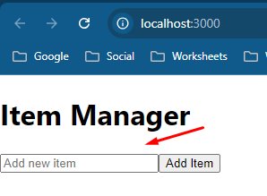
TC-002 | Verify the "Input" field should be empty by default |  | Following the pre condition | The "Input" field should be empty by default | The "Input" field is empty by default | Passed | 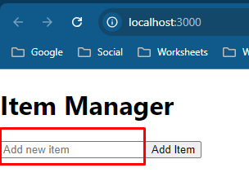
TC-003 | Verify the "Input" label allow enter valid text | Mango | Following the pre condition | The "Input" field should be allow to enter values | The "Input" field allowed to enter values successfully | Passed | 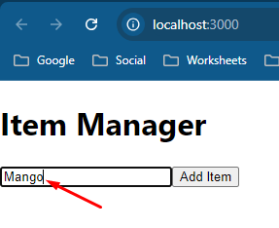
TC-004 | Verify the "Add Item" button functionality | Orange | 01. Enter a valid item name in the input field. 02. Click the "Add Item" button. | When clicking the button, It should function as updating the value in the list | The new item added successfully in the list by clicking the "Add Item" button | Passed | 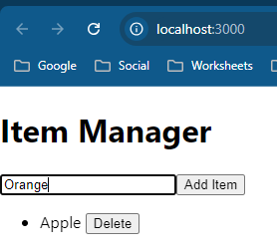 | 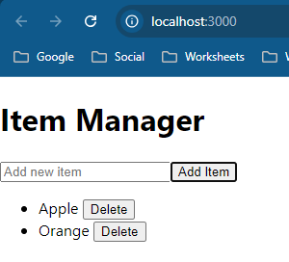
TC-005 | Verify that a new item can be successfully added to the list. | Apple | 01. Enter a valid item name in the input field. 02. Click the "Add Item" button. | The new item should appears in the list | The new item added successfully in the list | Passed | 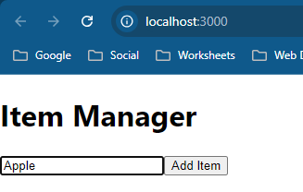 | 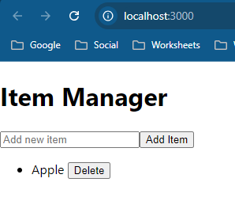
TC-006 | Verify adding a blank/empty item to the list |  | 01. leave the input field blank. 02. Click the "Add Item" button. | The list should not update | The list not updated | Passed | 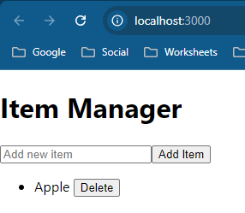
TC-007 | Verify the delete button functionality |  | 01. Locate the "Delete" button next to an item. 02. Click the "Delete" button. | The delete button next to the item should be clicked and removed the item | The deleted button function is working successfully | Passed |  | 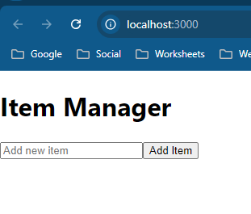
TC-008 | Verify the item can be delete successfully |  | 01. Locate the "Delete" button next to an item. 02. Click the "Delete" button. | The selected item should be removed from the list, and the list should instantly updated | The deleted item removed from the list successfully | Passed | 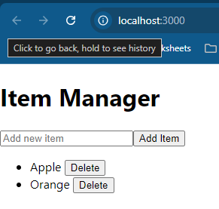 | 
TC-009 | Verify the "Edit" functionality is available |  | 01. Locate the "Edit" button next to an item. | The "Edit" button should be visible | The edit button not available | Failed
TC-010 | Verify the item can be edit successfully |  | 01. Locate the "Edit" button next to an item. | The "Edit" button should be visible and clickable to edit an item | The edit button is not visible | Failed
TC-011 | Verify the item display | Banana, Milk | 01. Add an item to the list by entering an item in the field. 02. Click the "Add Item" button to add to the list | The added item should be visible in the list | The added item visible in the list successfully | Passed | 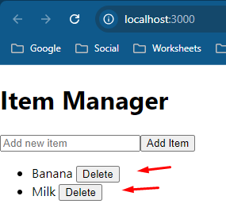
TC-012 | Verify the special character entering | !@#$%^ or Banana!@# | 01. Add special character item to the input field 02. Click "Add Item" button to add to the list | The special characters should not allow to add to the list | The special character allowed and list updated | Failed | 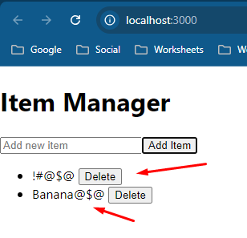
TC-013 | Verify the integer character entering | 1234 or Banana1234 | 01. Add integer character item to the input field 02. Click "Add Item" button to add to the list | The integer characters should not allow to add to the list | The integer character allowed and list updated | Failed | 